mice
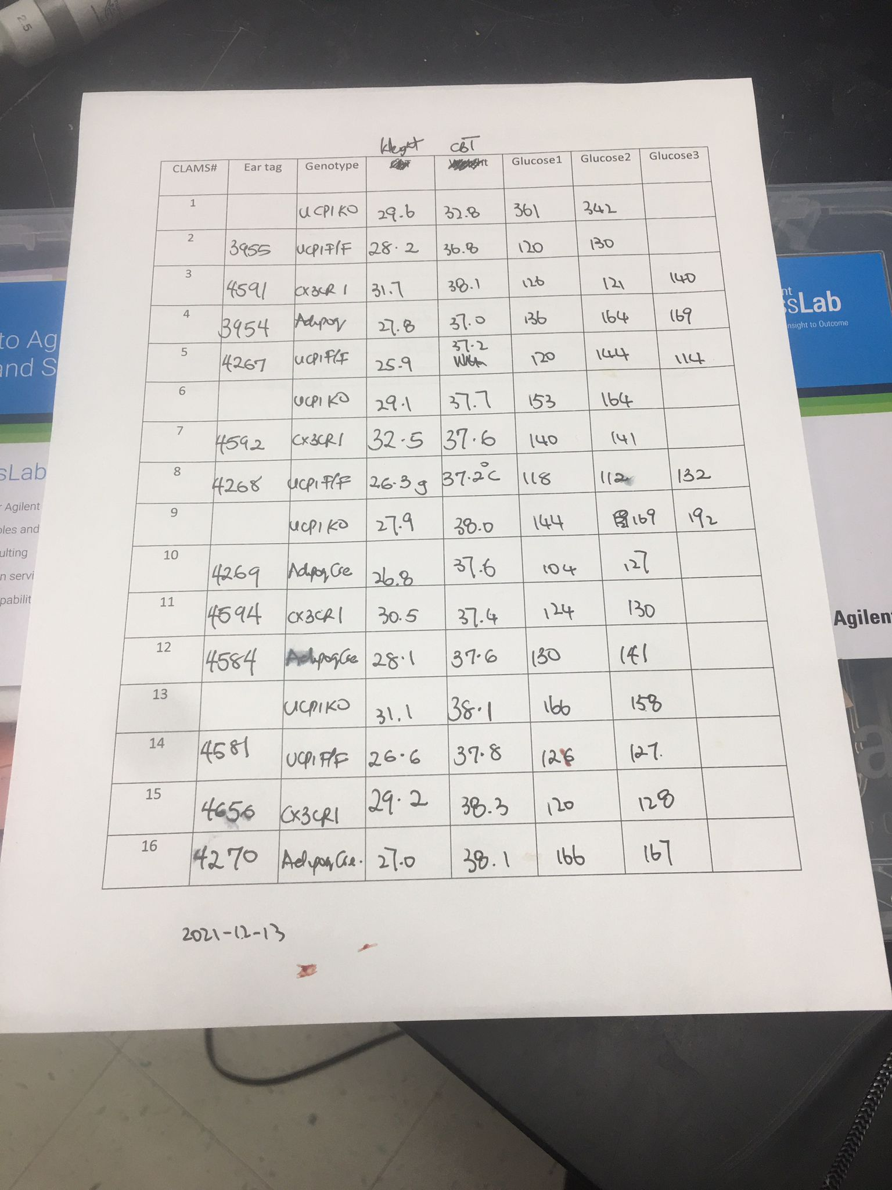
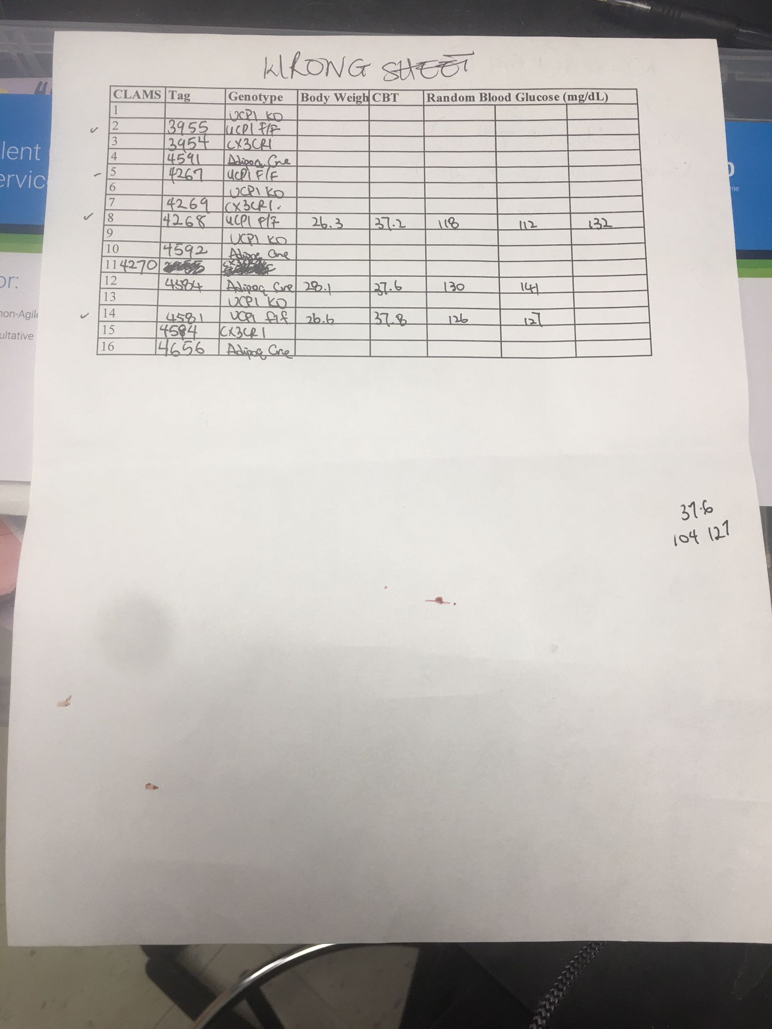
Cage # | Tag | Sex | DOB | Weaned | Source | Strain | Notes | Age(months) | Today's date | Date Used/Died | Notes
257270 | 4591 | 1M | 2021-07-04 | 2021-07-25 | UCP1 f/f x UCP1 f/f CX3CR1 Cre+/- | UCP1 f/f CX3CR1 Cre + |  | 5.3 | 2021-12-13 | repeat cold snap
257270 | 4592 | 1M | 2021-07-04 | 2021-07-25 | UCP1 f/f x UCP1 f/f CX3CR1 Cre+/- | UCP1 f/f CX3CR1 Cre + |  | 5.3 | 2021-12-13 | repeat cold snap
257270 | 4594 | 1M | 2021-07-04 | 2021-07-25 | UCP1 f/f x UCP1 f/f CX3CR1 Cre+/- | UCP1 f/f CX3CR1 Cre + |  | 5.3 | 2021-12-13 | repeat cold snap
257270 | 4656 | 1M | 2021-07-04 | 2021-07-25 | UCP1 f/f x UCP1 f/f CX3CR1 Cre+/- | UCP1 f/f CX3CR1 Cre + | formeerly 4593 | 5.3 | 2021-12-13 | repeat cold snap
310437 | 3955 | 1M | 2021-04-29 | 2021-05-27 | UCP1 f/f x UCP1 f/f Adipoq Cre +/- | UCP1 F/F |  | 7.5 | 2021-12-13 | repeat cold snap
159665 | 4267 | 1M | 2021-05-24 | 2021-06-18 | UCP1 f/f x UCP1 f/f Adipoq Cre +/- | UCP1 F/F |  | 6.6 | 2021-12-13 | repeat cold snap
159665 | 4268 | 1M | 2021-05-24 | 2021-06-18 | UCP1 f/f x UCP1 f/f Adipoq Cre +/- | UCP1 F/F |  | 6.6 | 2021-12-13 | repeat cold snap
135190 | 4581 | 1M | 2021-07-06 | 2021-07-29 | UCP1 f/f x UCP1 f/f Adipoq Cre +/- | UCP1 F/F |  | 5.2 | 2021-12-13 | repeat cold snap
310437 | 3954 | 1M | 2021-04-29 | 2021-05-27 | UCP1 f/f x UCP1 f/f Adipoq Cre +/- | UCP1 f/f Adipoq Cre + |  | 7.5 | 2021-12-13 | repeat cold snap
159665 | 4269 | 1M | 2021-05-24 | 2021-06-18 | UCP1 f/f x UCP1 f/f Adipoq Cre +/- | UCP1 f/f Adipoq Cre + |  | 6.6 | 2021-12-13 | repeat cold snap
159665 | 4270 | 1M | 2021-05-24 | 2021-06-18 | UCP1 f/f x UCP1 f/f Adipoq Cre +/- | UCP1 f/f Adipoq Cre + |  | 6.6 | 2021-12-13 | repeat cold snap
135190 | 4584 | 1M | 2021-07-06 | 2021-07-29 | UCP1 f/f x UCP1 f/f Adipoq Cre +/- | UCP1 f/f Adipoq Cre + |  | 5.2 | 2021-12-13 | repeat cold snap
157403 | - | 4M | 2021-06-30 | 2021-07-26 | UCP1 KO x UCP1 KO | UCP1 KO |  | 5.4 | 2021-12-13 | repeat cold snap

4c injection schedule | Sat | Sun | Mon | Tue
Date | 2021-12-11 | 2021-12-12 | 2021-12-13 | 2021-12-14
Cold Challenge | 0 | 1 | 2

 |  |  |  |  | Mice went in on day 2
 |  |  |  |  | On Friday 12/17. 10 mice(13,2,5,8,14,3,7,11,15,4) were moved to the cold room in individual cages
 |  |  |  |  | On Monday 12/20 bulk PECS, and BAT were saved from 4 (4,13,14,15) out of 10 surviving mice

surviving mice
CLAMS # | Tag | Genotype | Body Weight on 12/13 (g) | Body Weight on 12/20 (g) | Yield of PECS | Weight of BAT(both sides) (g)
13 |  | UCP1 KO | 31.1 | 30.3 | 8.5/10 | 0.134
4 | 3954 | UCP1 f/f Adipoq Cre + | 27.8 | 25.5 | 8.5/10 | 0.144
15 | 4656 | UCP1 f/f CX3CR1 Cre + | 29.2 | 30.4 | 8/10 | 0.107
14 | 4581 | UCP1 F/F | 26.6 | 26.9 | 8/10 | 0.094
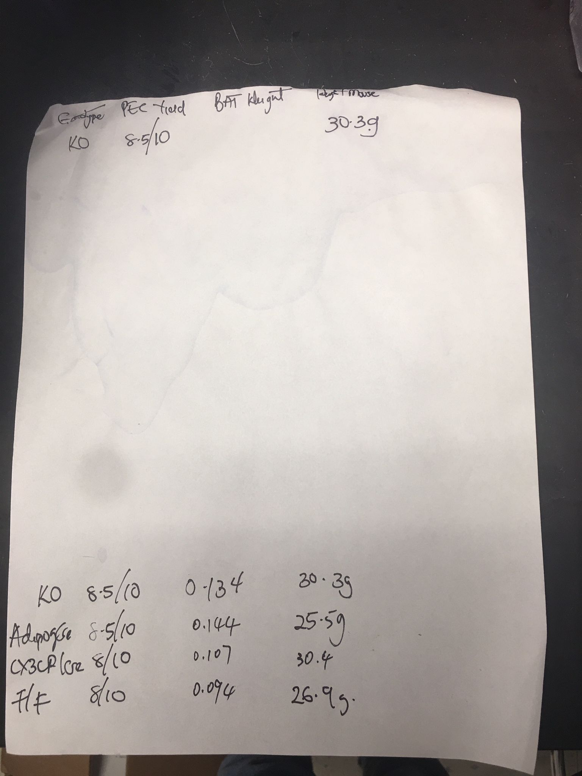

 |  | PECS were saved in -80 in a 96 well plate
 |  | BAT was frozen in -80

